Test Case Template Example
 | Project Name: | Gastrogood website | Test Designed by: | Madhawa sri nayanajith
 | Module Name: | Admin | Test Designed date: | 2024-06-22
 | Release Version: |  | Test Executed by:
 |  |  | Test Execution date:

Dependencies:

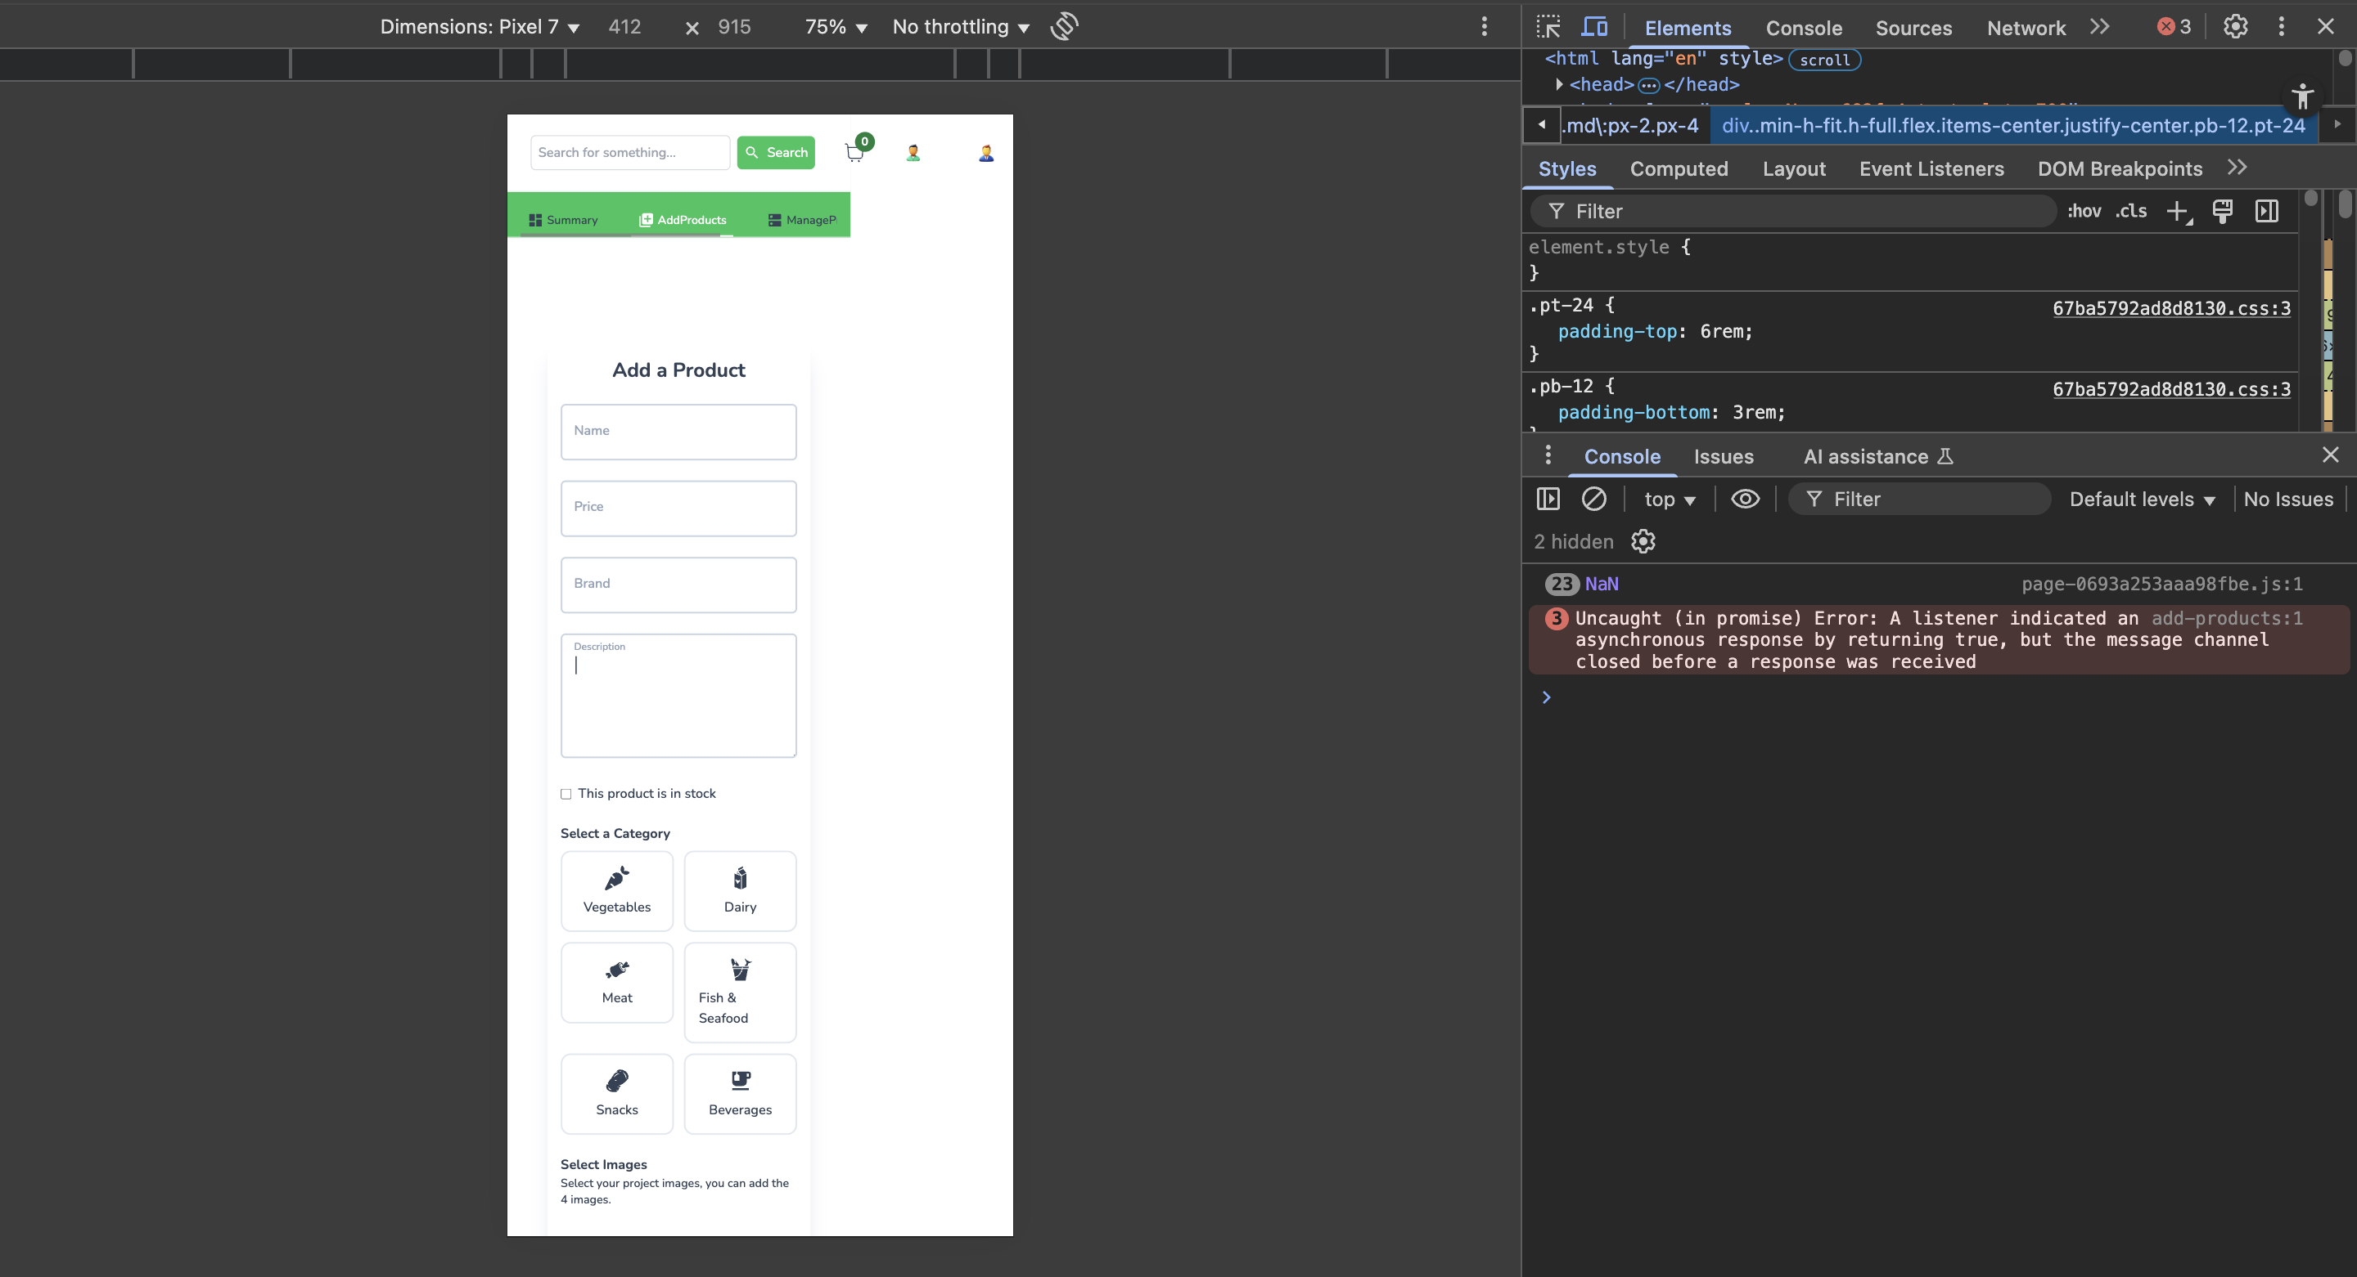
Bug ID | Title | Summary | Steps to reproduce | Environment | Test Data | Expected Result | Actual Result | Serverity | Priority | Attachments | Status | Notes
BID_01 | UI alignment | Check the ui alignment of the website is responsive | 1.Enter the url on the browser | Device - apple macbook pro m2 | https://gastrogoods.netlify.app/ | UI alignment of the | UI alignment of the | High | High |  | Fail | This bug affected in every page
 |  |  | 2.Click the sign up button | Mac os - sequoia 15.4.1 | Admin@gmail.com | website is responsive | website is not responsive to
 |  |  | 3.Enter the email | Browser - google chorme (Version 137.0.7151.41) | Admin1234 |  | mobile devices
 |  |  | 4.Enter the password | Safari - Version 18.4 (20621.1.15.11.10)
 |  |  | 5.Click log in
 |  |  | 6.Click the add product page

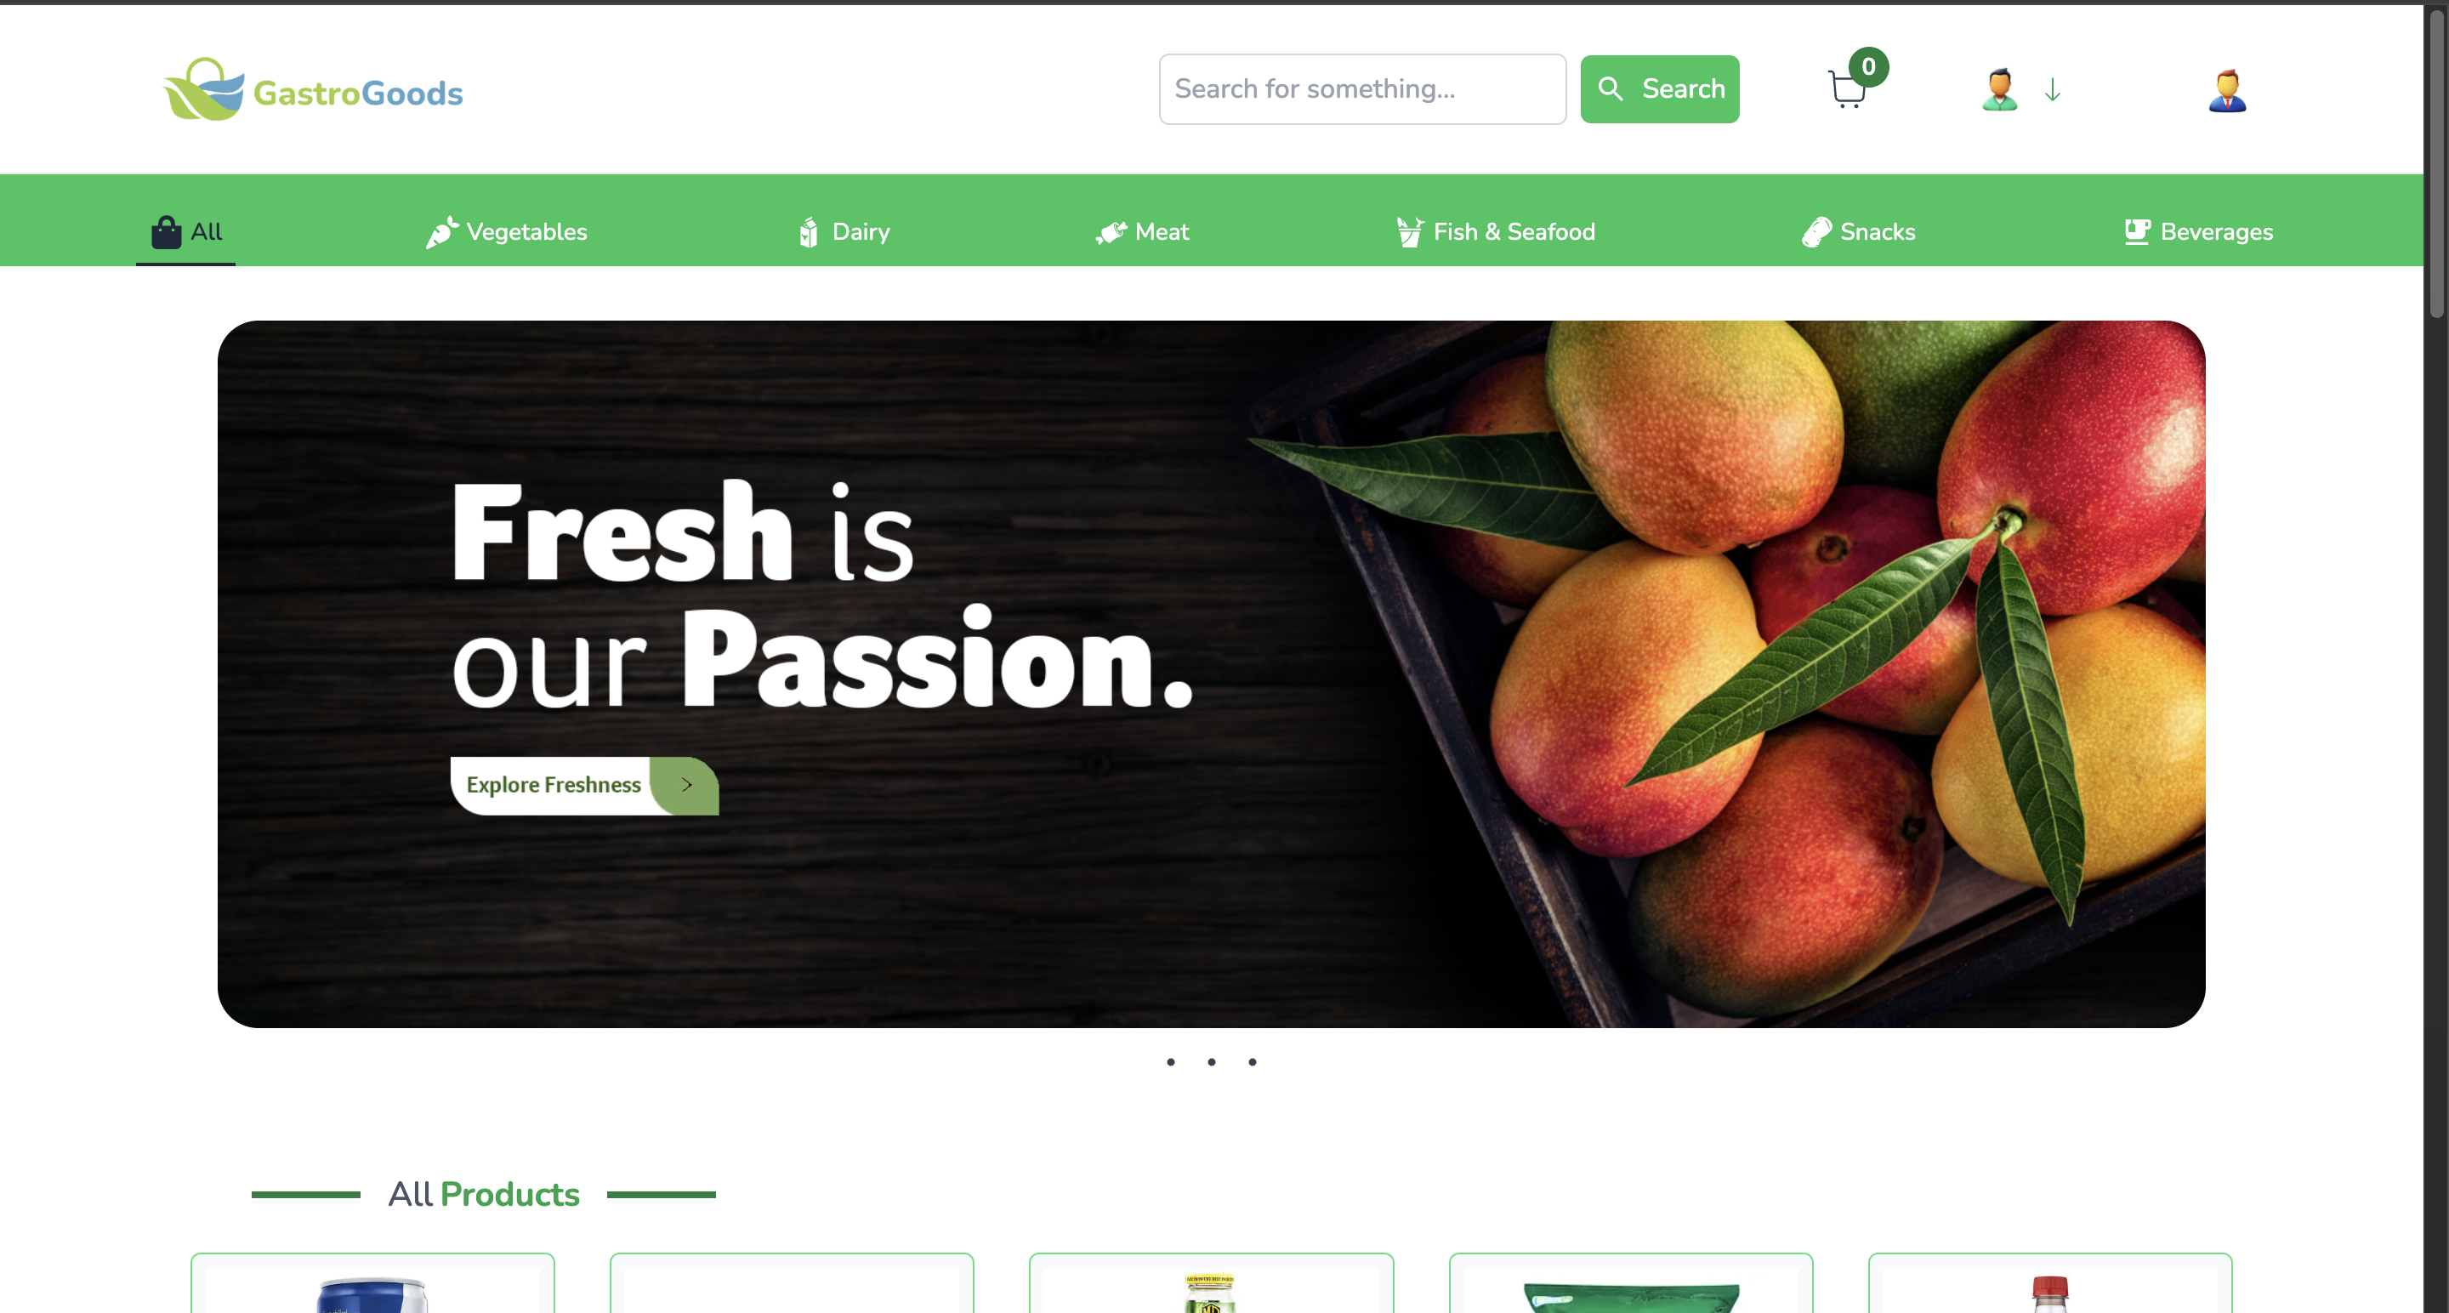
BID_02 | Gastrogood button | Check user click the gastrogood | 1.Click the gastrogood button |  |  | Page is refresh | User redirect to the home page | Medium | High |  | Fail | This bug affected in every page
 |  | button the page will refresh or
 |  | not

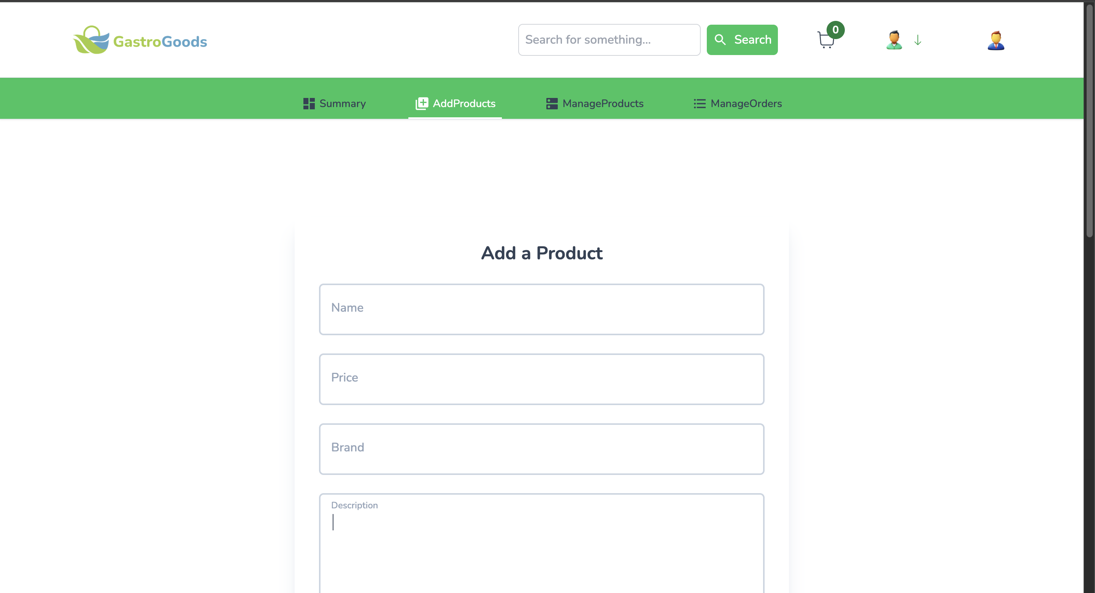
BID_03 | Add product - Search bar | Check search bar is available | 1.Click the add product page |  |  | Search bar is not available | Search bar is available . search | Medium | Medium |  | Fail
 |  |  |  |  |  |  | bar is not necessary to add in
 |  |  |  |  |  |  | add product page page

BID_04 | Add product - User button | Check user button available | 1. Navigate to the 'Add Products' page. |  |  | User button is not available | User button is available | Medium | High |  | Fail | This bug affected in manage product page,manage
 |  |  |  |  |  |  |  |  |  |  |  | order page

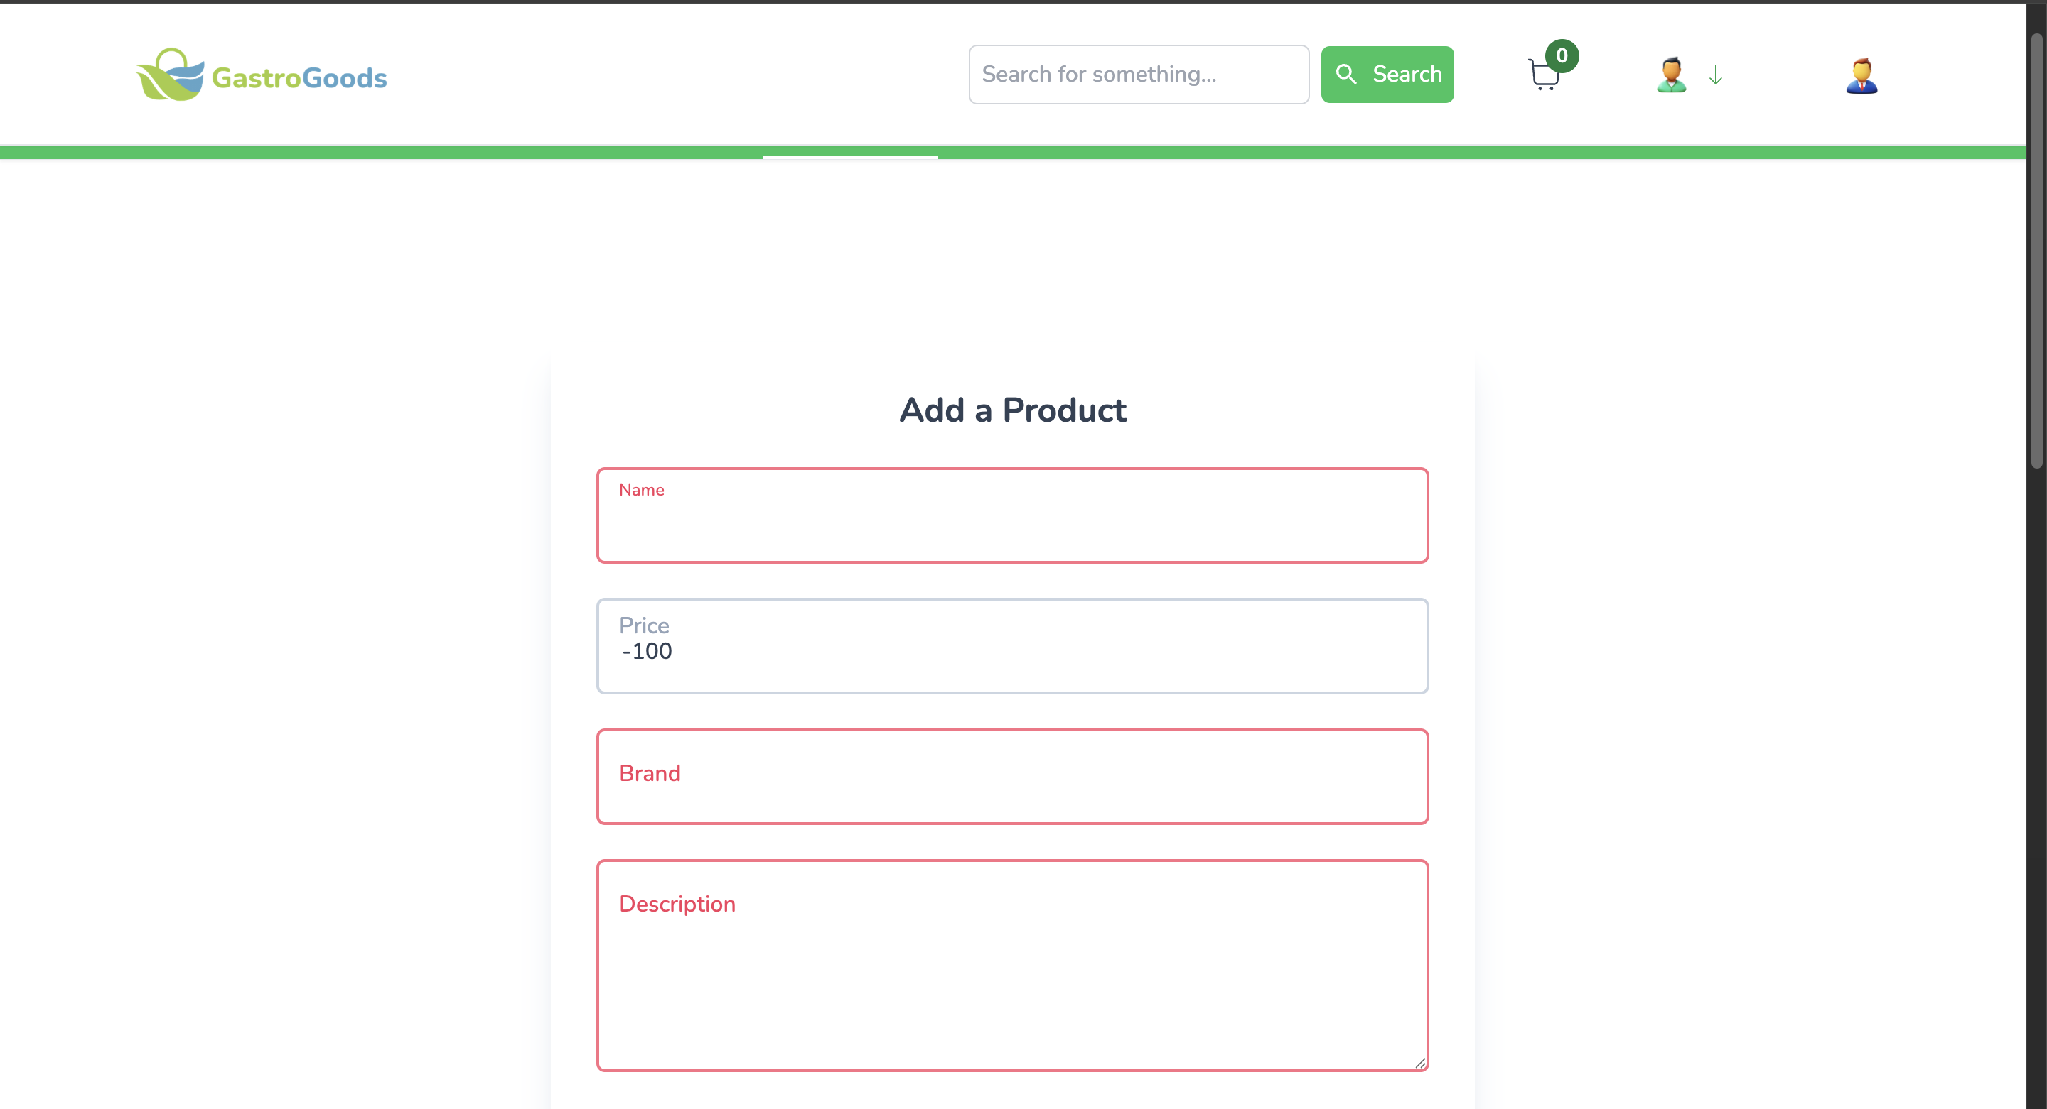
BID_05 | Add product - Invalid Price Format | Attempt to submit with invalid data or negative values in the 'Price' | 1. Enter text in the 'Price' field . |  | a | A error message appears | Error message not showing after enter a negative | High | High |  | Fail
 |  | field. | 2. Enter a negative value |  | -100 |  | value
 |  |  | 3. Click Add Product.

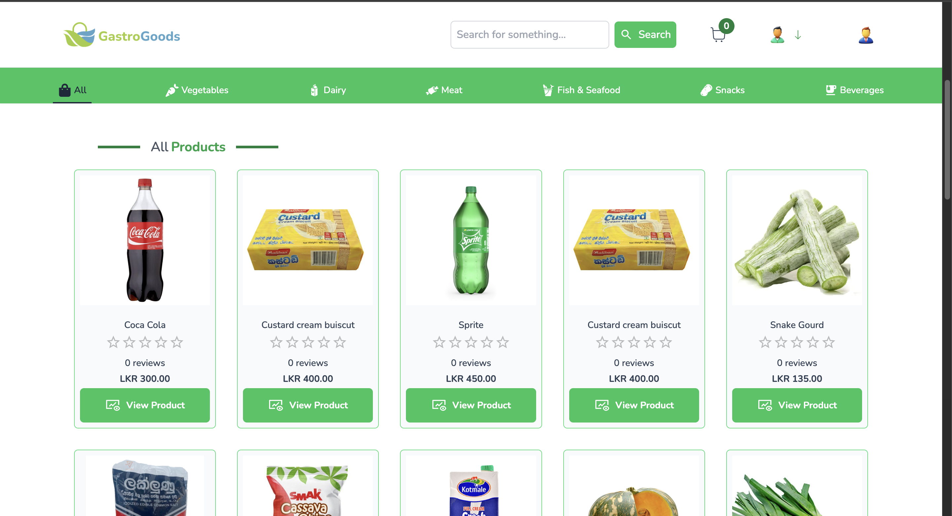
BID_06 | Add product - Duplicate Product Check | Attempt to add a product with a name that already exists | 1. Enter the Name of an existing product. |  | Custard buiscut | A error message is displayed | Error message not showing | High | High |  | Fail
 |  |  | 2. Fill all other fields. |  | 400
 |  |  | 3. Click 'Add Product'. |  | Maliban
 |  |  |  |  | Snacks
 |  |  |  |  | images1.jpg

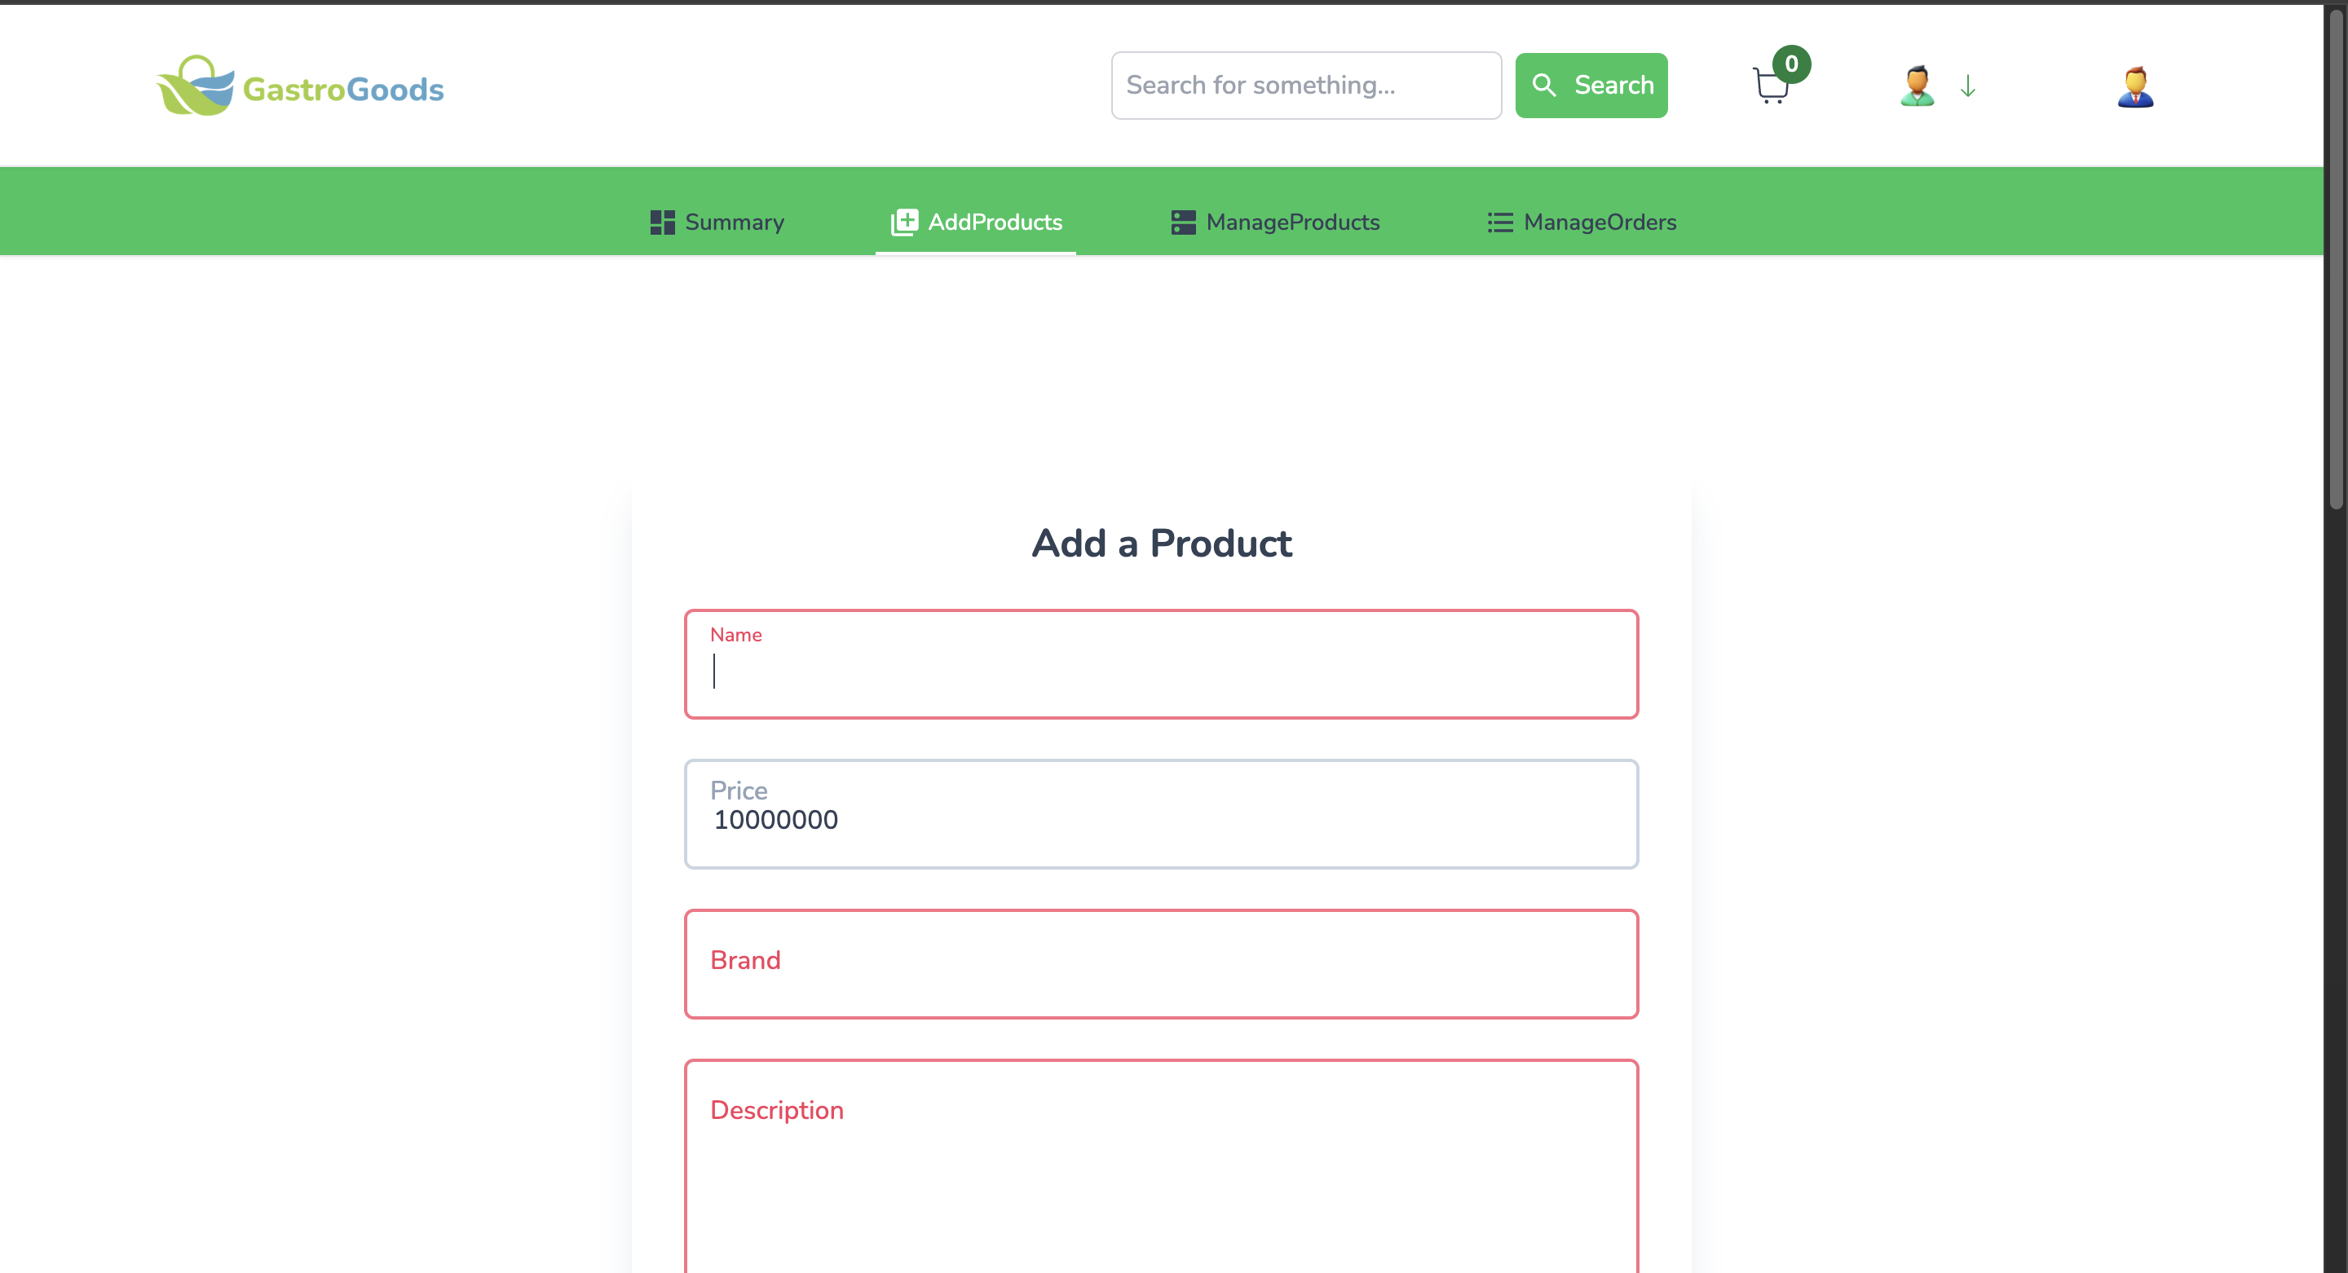
BID_07 | Add product - Price Max Value | Attempt to enter a price exceeding the maximum allowed value | 1. Enter a very large number in the 'Price' field |  | 10000000 | An inline error message appears | Error message not showing | Medium | Low |  | Fail

BID_08 | Add product - Page Load Time | Measure the time taken for the 'Add a Product' page to load completely. | 1. Navigate to the 'Add Products' page. |  |  | The entire page should load and render within 1.5 seconds. | The entire page should load and render within 4 seconds. | Medium | High |  | Fail

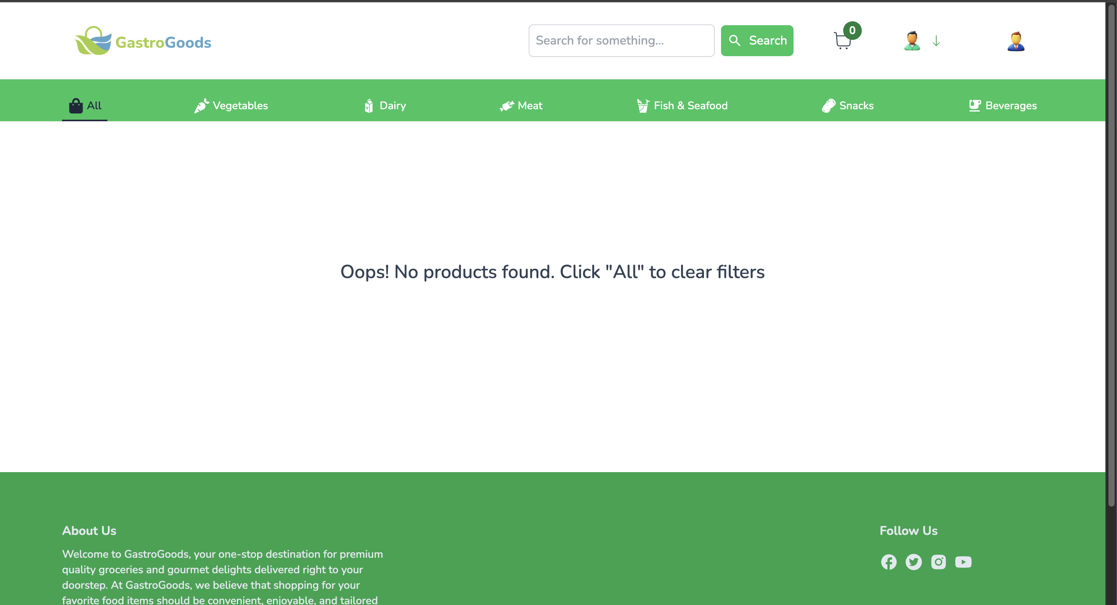
BID_09 | Manage products - Search bar | Check search bar is works | 1.Enter the id |  | 658592da13efaf97b55fbcd3 | Deatils are showing | Details are not showing | High | High |  | Fail | This bug affected on manage order page
 |  |  | 2.Click search button

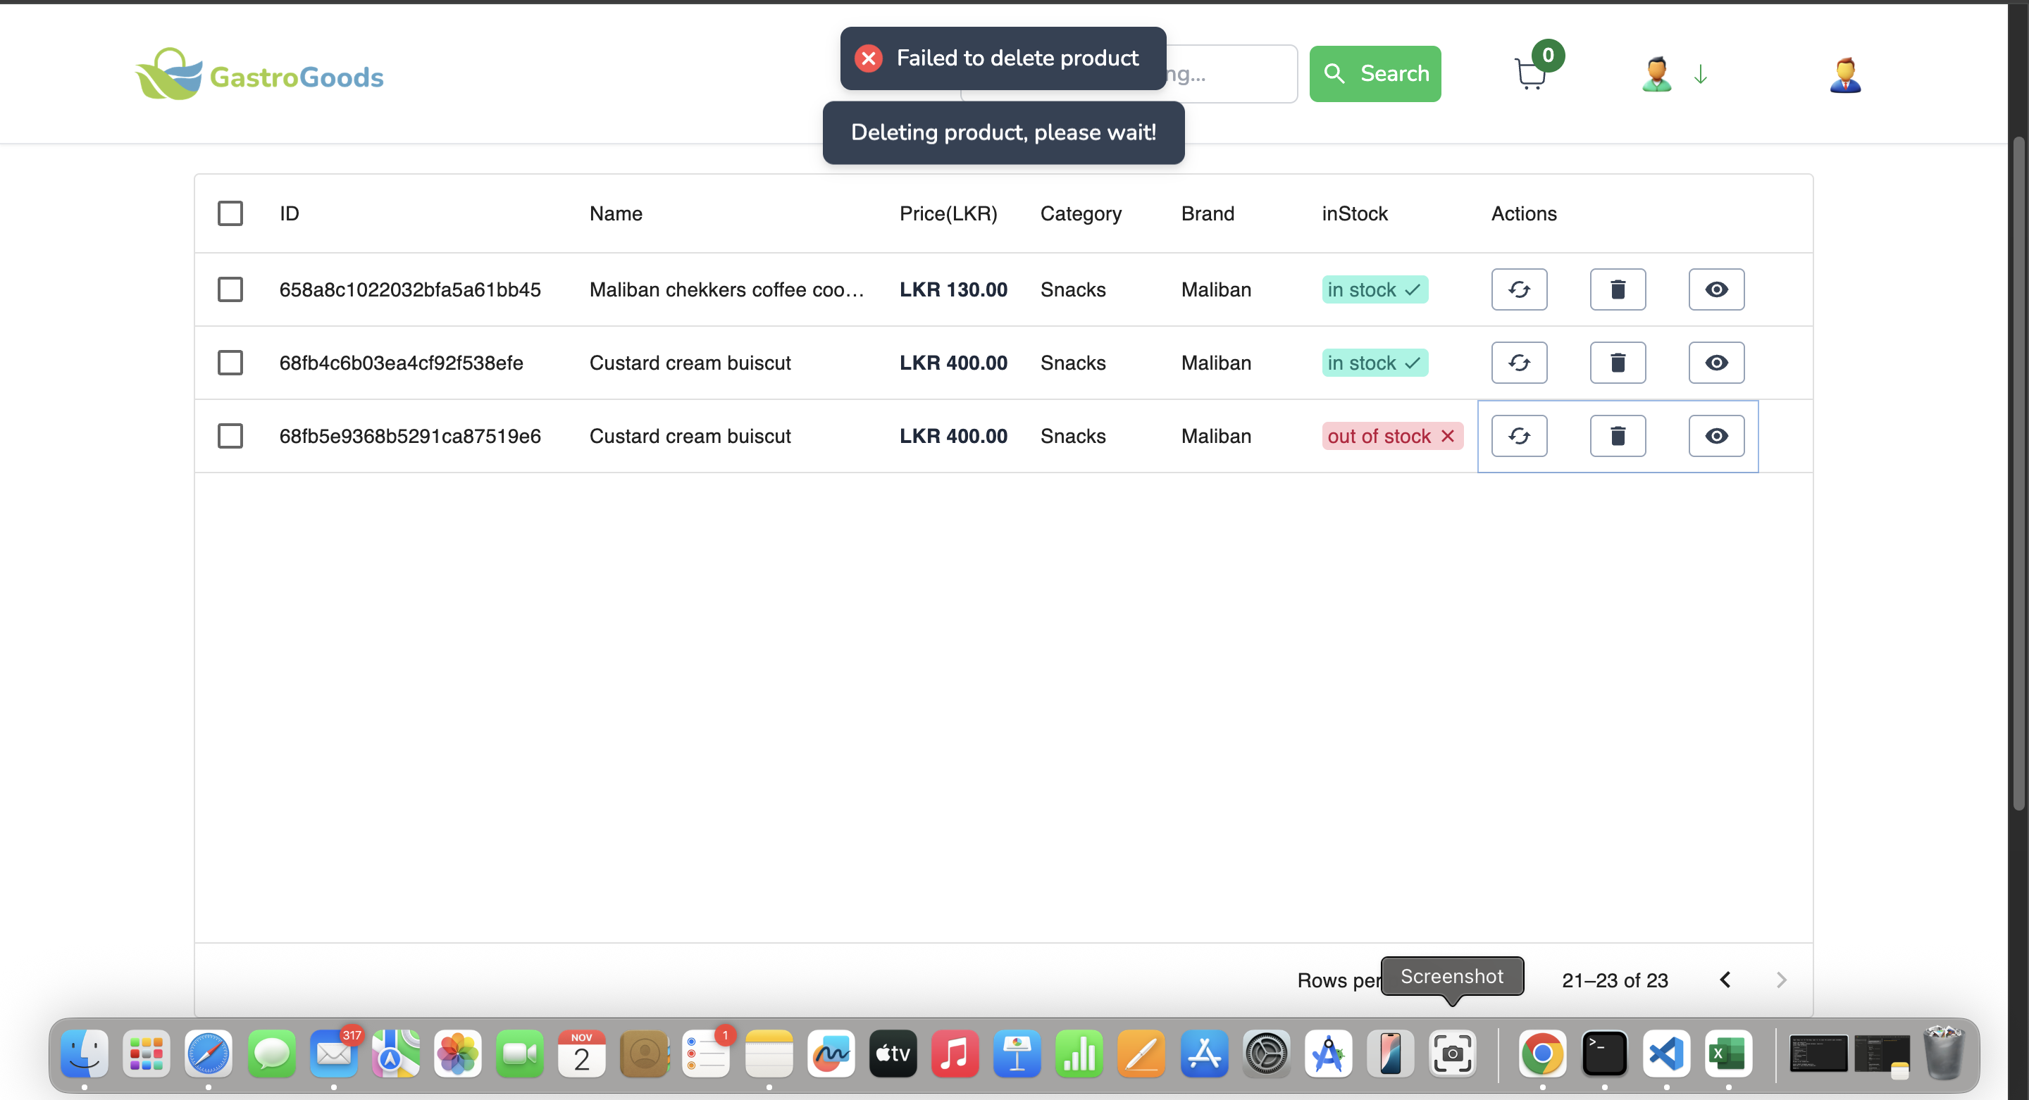
BID_10 | Manage products - Delete button | Check delete button works | 1.Click the delete button |  |  | Product delete successfully | Error message showing | High | High |  | Fail | Console error - Failed to load resource: the server
 |  |  |  |  |  |  |  |  |  |  |  | responded with a status of 500 ()

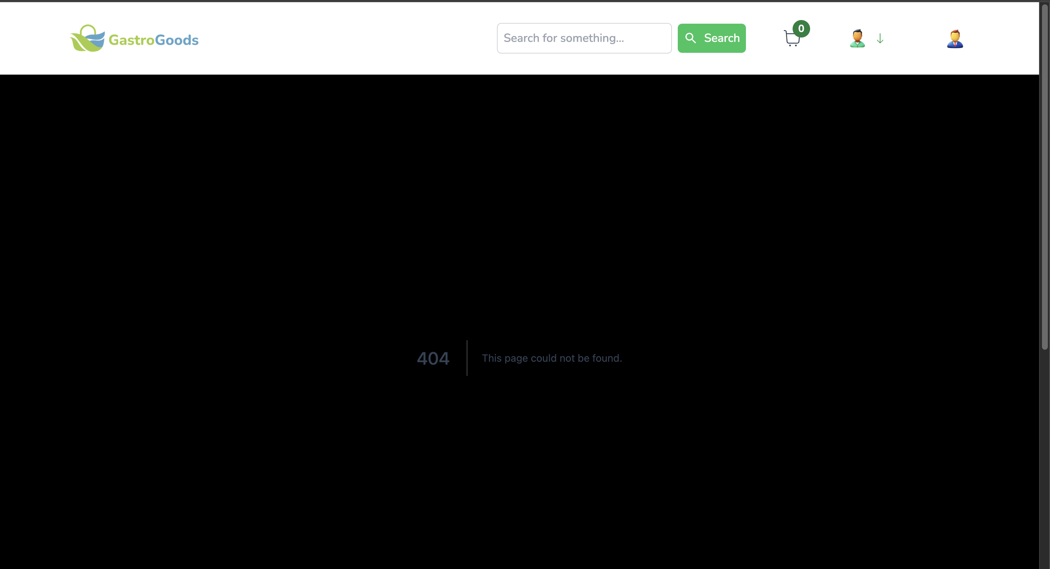
BID_11 | Manage products - View button | Check view button works | 1.Click the view button |  |  | User see the details successfully | Error message showing - 404 This page could not be found. | High | High |  | Fail

